Decay evaluation 10.10.21
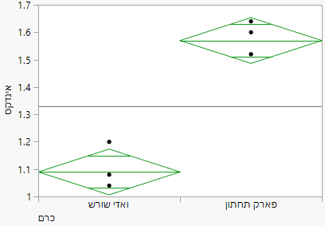
Vinyeard | Vinyeard | Rep. | 1 | 2 | 3 | No. of clusters | Index | Incidence
Lower park | A | 1 | 11 | 12 | 2 | 25 | 1.6 | 56
Lower park | A | 3 | 14 | 9 | 2 | 25 | 1.5 | 44
Lower park | A | 4 | 15 | 7 | 3 | 25 | 1.5 | 40
Lower park | A | 5 | 13 | 9 | 3 | 25 | 1.6 | 48
Average |  |  |  |  |  |  | 1.57 | 47.0
STD |  |  |  |  |  |  | 0.06 | 6.8
Vadi Shoresh | B | 1 | 24 | 1 | 0 | 25 | 1.0 | 4
Vadi Shoresh | B | 2 | 23 | 2 | 0 | 25 | 1.1 | 8
Vadi Shoresh | B | 3 | 24 | 1 | 0 | 25 | 1.0 | 4
Vadi Shoresh | B | 4 | 21 | 3 | 1 | 25 | 1.2 | 16
Average |  |  |  |  |  |  | 1.09 | 8.0
STD |  |  |  |  |  |  | 0.08 | 5.7

 |  |  |  |  |  |  |  |  | Vineyard | Vineyard | Number | Index | Std | Incidence | Std
 |  |  |  |  |  |  |  |  | Lower park | A | 4 | 1.57 | 0.06 | 47.0 | 6.8
 |  |  |  |  |  |  |  |  | Vadi Shoresh | B | 4 | 1.09 | 0.08 | 8.0 | 5.7

